Sheet1
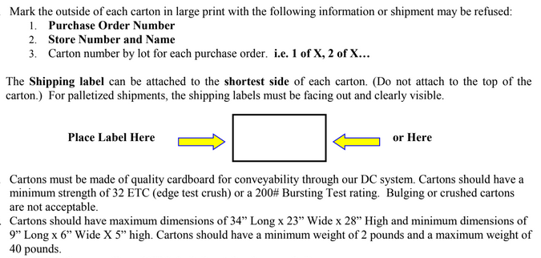
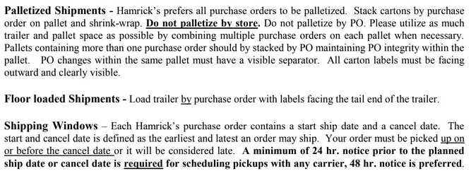
HAMRICKS

PICK TICKET CHECK LIST |  |  |  | PO# 263517
 |  |  |  | PT# 1757996 - 1758014
TICKETING

ROUTING |  |  | SHIP VIA: ROUTING

CARTON MARKING

PO # MUST BE ON ALL BOXES
STORE# and STORE NAME
STYLE
COLOR
QTY

CUSTOMER STYLE | OUR STYLE | QTY | PT #
EHH342-42 | EHH400-42 | 6 | 1763397
EHH398-42 | EHH461-42 | 6 | 1763397
EHH407-42 | EHH400-42 | 6 | 1763398
EHH342-42 | EHH461-42 | 6 | 1763398
EHH398-42 | EHH400-42 | 6 | 1763399
EHH407-42 | EHH461-42 | 6 | 1763399
EHH342-42 | EHH400-42 | 6 | 1763400
EHH398-42 | EHH461-42 | 6 | 1763400
EHH407-42 | EHH400-42 | 6 | 1763401
EHH342-42 | EHH461-42 | 6 | 1763401
EHH398-42 | EHH400-42 | 6 | 1763402
EHH407-42 | EHH461-42 | 6 | 1763402
EHH342-42
EHH398-42
EHH407-42
EHH342-42
EHH398-42
EHH407-42
WMH3274E-42
WMH12101K-42
WMH3274E-42
WMH12101K-42
WMH3274E-42
WMH12101K-42
WMH12101K-42
WMH12101K-42
WMH3274E-42
WMH3274E-42
WMH12101K-42
WMH3274E-42
WMH12101K-42
WMH12101K-42
WMH3274E-42
WMH12101K-42
WMH12101K-42
WMH12101K-42
WMH12101K-42
WMH12101K-42
WMH3274E-42
WMH12101K-42
WMH12101K-42
WMH3274E-42
WMH12101K-42
WMH12101K-42
WMH3274E-42
WMH12101K-42
WMH3274E-42
WMH3274E-42

 |  | 72

